TB Model Data 100
Torbar model data (100 series)

Model | CH/FPD/TORBAR/TYPE |  | Flange Size
121 | W1 |  | N/A
122 | T1 |  | N/A
123 | F1 |  | B1*

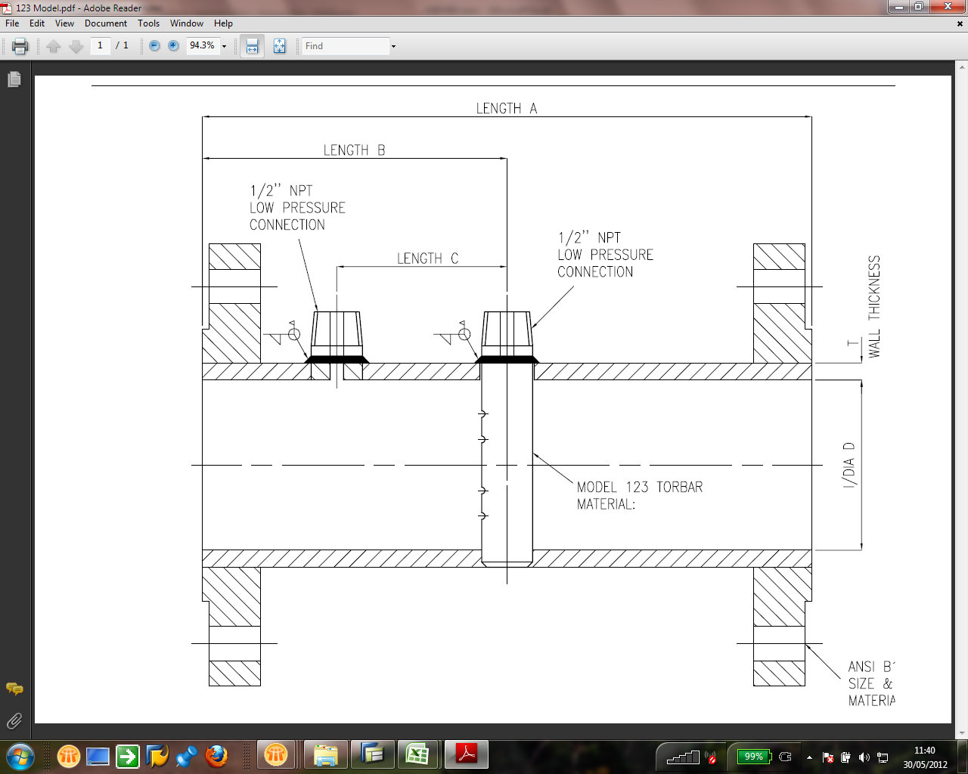
Pipe NB | CH/FPD/LINE/SIZE |  | A (mm) | B (mm) | C (mm) | H (mm) | Y | N | S | HUB | J Length | K Length
1/2" | 015 |  | 200 | 125 | 100 | 21.34 | 3/16" | 2 | 1/32" | 28.57 | 35.43 | -14.57
3/4" | 020 |  | 200 | 125 | 100 | 26.67 | 3/16" | 4 | 1/32" | 31.75 | 32.25 | -17.75
1" | 025 |  | 225 | 137.5 | 100 | 33.4 | 3/16" | 4 | 1/32" | 34.92 | 41.58 | -8.42
1 1/4" | 032 |  | 250 | 150 | 100 | 42.16 | 3/16" | 4 | 1/32" | 38.1 | 50.9 | 0.9
1 1/2" | 040 |  | 300 | 175 | 100 | 48.26 | 1/4" | 4 | 1/32" | 44.45 | 69.55 | 19.55
2" | 050 |  | 400 | 225 | 100 | 60.33 | 1/4" | 4 | 1/32" | 0 | 164 | 114

Connection Type
Standard | CH/FPD/TAPPING/TYPE=NOT D1,D2,D3,D4,D5
Manifold

J
K
J
K
J
K
 |  |  | Size | Rating | Hub Length | A Length | B (mm) | C (mm) | J Dim | K Dim | U/S Straight Lengths
1/2" 150lb |  |  | 1/2" | 150lb | 11.11 | 200 | 150 | 100 | 27.89 | 27.89 | 10.81
3/4" 150lb |  |  | 3/4" | 150lb | 12.7 | 200 | 150 | 100 | 26.3 | 26.3 | 7.96
1" 150lb |  |  | 1" | 150lb | 14.29 | 225 | 175 | 100 | 24.71 | 49.71 | 7.20
1 1/2" 150lb |  |  | 1 1/2" | 150lb | 17.46 | 300 | 250 | 100 | 21.54 | 121.54 | 6.56
2" 150lb |  |  | 2" | 150lb | 19.05 | 400 | 350 | 100 | 19.95 | 219.95 | 7.11
1/2" 300lb |  |  | 1/2" | 300lb | 18.26 | 200 | 150 | 100 | 20.74 | 20.74 | 10.81
3/4" 300lb |  |  | 3/4" | 300lb | 16.08 | 200 | 150 | 100 | 22.92 | 22.92 | 7.96
1" 300lb |  |  | 1" | 300lb | 17.46 | 225 | 175 | 100 | 21.54 | 46.54 | 7.20
1 1/2" 300lb |  |  | 1 1/2" | 300lb | 20.64 | 300 | 250 | 100 | 18.36 | 118.36 | 6.56
2" 300lb |  |  | 2" | 300lb | 22.23 | 400 | 350 | 100 | 16.77 | 216.77 | 7.11
1/2" 600lb |  |  | 1/2" | 600lb | 20.64 | 200 | 150 | 100 | 18.36 | 18.36 | 10.81
3/4" 600lb |  |  | 3/4" | 600lb | 22.22 | 200 | 150 | 100 | 16.78 | 16.78 | 7.96
1" 600lb |  |  | 1" | 600lb | 23.81 | 225 | 175 | 100 | 15.19 | 40.19 | 7.20
1 1/2" 600lb |  |  | 1 1/2" | 600lb | 28.57 | 300 | 250 | 100 | 10.43 | 110.43 | 6.56
2" 600lb |  |  | 2" | 600lb | 31.75 | 400 | 350 | 100 | 7.25 | 207.25 | 7.11
1/2" 900lb |  |  | 1/2" | 900lb | 28.57 | 200 | 150 | 100 | 10.43 | 10.43 | 10.81
3/4" 900lb |  |  | 3/4" | 900lb | 31.75 | 200 | 150 | 100 | 7.25 | 7.25 | 7.96
1" 900lb |  |  | 1" | 900lb | 34.92 | 225 | 175 | 100 | 4.08 | 29.08 | 7.20
1 1/2" 900lb |  |  | 1 1/2" | 900lb | 38.1 | 300 | 250 | 100 | 0.9 | 100.9 | 6.56
2" 900lb |  |  | 2" | 900lb | 44.45 | 400 | 350 | 100 | -5.45 | 194.55 | 7.11
1/2" 1500lb |  |  | 1/2" | 1500lb | 28.57 | 200 | 150 | 100 | 10.43 | 10.43 | 10.81
3/4" 1500lb |  |  | 3/4" | 1500lb | 31.75 | 200 | 150 | 100 | 7.25 | 7.25 | 7.96
1" 1500lb |  |  | 1" | 1500lb | 34.92 | 225 | 175 | 100 | 4.08 | 29.08 | 7.20
1 1/2" 1500lb |  |  | 1 1/2" | 1500lb | 38.1 | 300 | 250 | 100 | 0.9 | 100.9 | 6.56
2" 1500lb |  |  | 2" | 1500lb | 44.45 | 400 | 350 | 100 | -5.45 | 194.55 | 7.11
Not Required

Suggested |  |  |  |  |  | Extended A length by 200mm

Display | CH/FPD/LINE/SIZE | CH/FPD350/END/CONN/RAT | Size | Rating | Hub Length | A Length | B (mm) | C (mm) | J Dim | K Dim | U/S Straight Lengths
1/2" 150lb | 015 | A1 | 1/2" | 150lb | 11.11 | 200 | 125 | 100 | 52.89 | 2.89 | 9.0122566691
3/4" 150lb | 020 | A1 | 3/4" | 150lb | 12.7 | 200 | 125 | 100 | 51.3 | 1.3 | 6.6312997347
1" 150lb | 025 | A1 | 1" | 150lb | 14.29 | 225 | 137.5 | 100 | 62.21 | 12.21 | 5.6561085973
1 1/2" 150lb | 040 | A1 | 1 1/2" | 150lb | 17.46 | 300 | 175 | 100 | 96.54 | 46.54 | 4.593175853
2" 150lb | 050 | A1 | 2" | 150lb | 19.05 | 400 | 225 | 100 | 144.95 | 94.95 | 4.5685279188
1/2" 300lb | 015 | A3 | 1/2" | 300lb | 18.26 | 200 | 125 | 100 | 45.74 | -4.26 | 9.0122566691
3/4" 300lb | 020 | A3 | 3/4" | 300lb | 16.08 | 200 | 125 | 100 | 47.92 | -2.08 | 6.6312997347
1" 300lb | 025 | A3 | 1" | 300lb | 17.46 | 225 | 137.5 | 100 | 59.04 | 9.04 | 5.6561085973
1 1/2" 300lb | 040 | A3 | 1 1/2" | 300lb | 20.64 | 300 | 175 | 100 | 93.36 | 43.36 | 4.593175853
2" 300lb | 050 | A3 | 2" | 300lb | 22.23 | 400 | 225 | 100 | 141.77 | 91.77 | 4.5685279188
1/2" 600lb | 015 | A6 | 1/2" | 600lb | 20.64 | 200 | 125 | 100 | 43.36 | -6.64 | 9.0122566691
3/4" 600lb | 020 | A6 | 3/4" | 600lb | 22.22 | 200 | 125 | 100 | 41.78 | -8.22 | 6.6312997347
1" 600lb | 025 | A6 | 1" | 600lb | 23.81 | 225 | 137.5 | 100 | 52.69 | 2.69 | 5.6561085973
1 1/2" 600lb | 040 | A6 | 1 1/2" | 600lb | 28.57 | 300 | 175 | 100 | 85.43 | 35.43 | 4.593175853
2" 600lb | 050 | A6 | 2" | 600lb | 31.75 | 400 | 225 | 100 | 132.25 | 82.25 | 4.5685279188
1/2" 900lb | 015 | A7 | 1/2" | 900lb | 28.57 | 200 | 125 | 100 | 35.43 | -14.57 | 9.0122566691
3/4" 900lb | 020 | A7 | 3/4" | 900lb | 31.75 | 200 | 125 | 100 | 32.25 | -17.75 | 6.6312997347
1" 900lb | 025 | A7 | 1" | 900lb | 34.92 | 225 | 137.5 | 100 | 41.58 | -8.42 | 5.6561085973
1 1/2" 900lb | 040 | A7 | 1 1/2" | 900lb | 38.1 | 300 | 175 | 100 | 75.9 | 25.9 | 4.593175853
2" 900lb | 050 | A7 | 2" | 900lb | 44.45 | 400 | 225 | 100 | 119.55 | 69.55 | 4.5685279188
1/2" 1500lb | 015 | A8 | 1/2" | 1500lb | 28.57 | 200 | 125 | 100 | 35.43 | -14.57 | 9.0122566691
3/4" 1500lb | 020 | A8 | 3/4" | 1500lb | 31.75 | 200 | 125 | 100 | 32.25 | -17.75 | 6.6312997347
1" 1500lb | 025 | A8 | 1" | 1500lb | 34.92 | 225 | 137.5 | 100 | 41.58 | -8.42 | 5.6561085973
1 1/2" 1500lb | 040 | A8 | 1 1/2" | 1500lb | 38.1 | 300 | 175 | 100 | 75.9 | 25.9 | 4.593175853
2" 1500lb | 050 | A8 | 2" | 1500lb | 44.45 | 400 | 225 | 100 | 119.55 | 69.55 | 4.5685279188
Not Required

